Risk management
RISK MANAGEMENT MATRIX --> please see Formulation guidelines
PROJECT TITLE:
Identification | Assessment |  |  | Control | Follow-up (only to be completed during progress reporting )
Risks + potential impact | Probability | Potential impact | Total risk level | Response + person responsible for implementing risk response
 |  |  | 0
 |  |  | 0
 |  |  | 0
 |  |  | 0
 |  |  | 0
 |  |  | 0
 |  |  | 0
 |  |  | 0
 |  |  | 0
 |  |  | 0
 |  |  | 0
 |  |  | 0
 |  |  | 0
 |  |  | 0
 |  |  | 0
 |  |  | 0
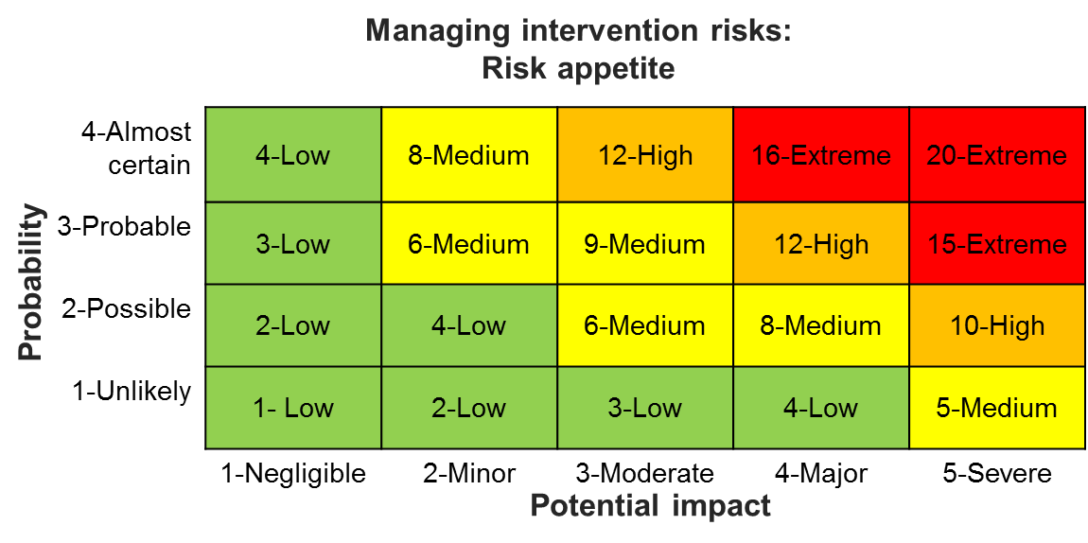
 |  |  | 0

